Comkon Rail assy
PT SAPTAINDRA SEJATI
PLANT REBUILD CENTER

 |  |  |  |  |  | WO NUMBER |  |  |  |  | DOCUMENT NO |  |  | QR00-SA-008-01
CHECK SHEET
 |  |  |  |  |  | ENGINE MODEL |  | 12V140-3 SERIES |  |  | PUBLICATION DATE |  |  | 8-Oct-13
COMMON RAIL ASSEMBLY LH
 |  |  |  |  |  | ENGINE S/N |  |  |  |  | REVISION NO |  |  | 00
KOMATSU ENGINE 12V140-3 SERIES
 |  |  |  |  |  | MACHINE MODEL |  |  |  |  | PAGE |  |  | 1 of 1

PROCESS |  | START DATE / TIME |  |  |  |  |  |  | ASSEMBLY BY
 |  | FINISH DATE / TIME

NO | PARTS | CHECK | CONDITION TO BE CHECKED |  |  |  |  |  | SPEC. | SIGN |  |  | REMARKS (SKETCH, PHOTOES,
 |  | POINT |  |  |  |  |  |  |  | MEC | QA | SPV | COMMENTS)
1 | Common Rail Element | Housing | - Inspect Housing for cracks by visual check. |  |  |  |  |  | √ = CHECK

 |  |  |  | No Crack

 |  |  | - Before assembling ,wash & clean the Housing.
2 | ALL PARTS | Flow Damper | - Make sure all Flow Damper are ready to used |  |  |  |  |  | √ = CHECK
 |  |  | ( free Crack ; worn; corrosion and dirt )

 |  | Plate,Plunger,Spring and Ball | -Make sure All inner Parts are ready to used
 |  |  | ( free Crack ; worn; corrosion and dirt )
 |  |  |  |  |  |  |  |  | √ = CHECK
 |  |  | - Before assembling , wash and clean the parts.
 |  |  | (Allow them to dry by air blow)
 |  |  | - Specification of spare parts are correct
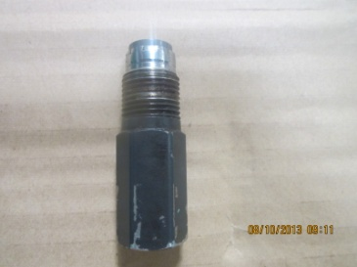
3 | PRESSURE LIMITER | Fuel Pressure Limiter and Plug | - Make sure all parts are ready to used |  |  |  |  |  | √ = CHECK
 |  |  | ( free Crack ; worn; corrosion and dirt )
 |  |  | Make sure Thread of Hexagon Plug front & rear and
 |  |  | Thread of Pressure Limiter good condition(not broken)

4 | Assembly Common Rail |  | - Coat Inside surface of Housing and Inner parts with
 |  |  | engine oil ( SAE # 30 )
 |  |  | -Install Plate to Main Housing
 |  |  | -Install Plunger to spring then Install to Flow Damper. |  |  |  |  |  | 13 ± 1.0 kgm
 |  |  | and Tighten Flow damper (2): |  |  |  |  |  | (Reman Manual)
 |  |  |  |  | Actual : kgm

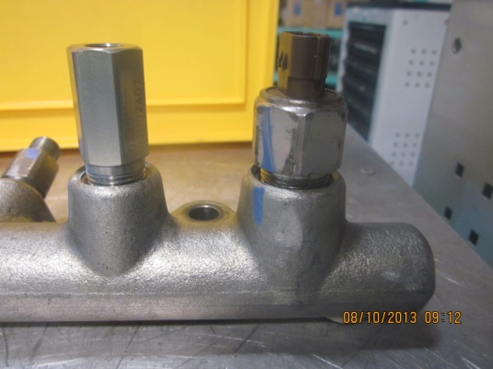
 |  |  | -Install Ball & Hexagon Plug on front & rear of Housing
 |  |  | and tighten Plug use L key socket:
 |  |  | - Before tighten Plug to the Housing coat a thin of
 |  |  | adhesive LT-2 to the thread of Plug(High streng type). |  |  |  |  |  | 5 ± 0.5 kgm
 |  |  |  |  | Actual : kgm |  |  |  | (Komatsu KES Plug Standard)

 |  |  | -Install Fuel pressure Limiter (3) with Picco Ring (5)
 |  |  | to Main housing and Tighten. |  |  |  |  |  | 9 ± 0.5 kgm
 |  |  |  |  | Actual : kgm |  |  |  | (Reman Manual)
 |  |  | -Install Fuel pressure sensor (4).
 |  |  | to Main housing and Tighten. |  |  |  |  |  | 5 Kgm
 |  |  |  |  | Actual : kgm |  |  |  | (Reman Manual)

MECHANIC ASSEMBLY COMMENT :

 | ASSEMBLY BY |  |  |  |  |  | INSPECTION & APPROVED BY

 |  |  |  |  |  |  |  |  |  |  |  |  | __________________________
 | MECHANIC ( MECH ) |  |  |  |  |  | QUALITY ASSURANCE ( QA ) |  |  |  |  |  | PROD. SUPERVISOR ( SPV )

